Sheet1
drugs.csv
Molecule | SMILES (OpenEye) | NrHvyAtom | NrHetAtom | MolWt | MF | PSA | IUPAC name (OpenEye)
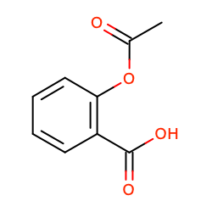 | CC(=O)Oc1ccccc1C(=O)O | 13 | 4 | 180.16 | C9H8O4 | 63.60 | 2-acetoxybenzoic acid
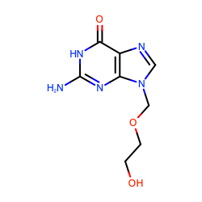 | c1nc2c(=O)[nH]c(nc2n1COCCO)N | 16 | 8 | 225.20 | C8H11N5O3 | 119.05 | 2-amino-9-(2-hydroxyethoxymethyl)-1~{H}-purin-6-one
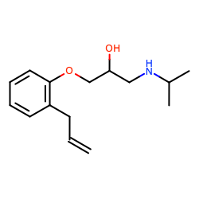 | CC(C)NCC(COc1ccccc1CC=C)O | 18 | 3 | 249.35 | C15H23NO2 | 41.49 | 1-(2-allylphenoxy)-3-(isopropylamino)propan-2-ol
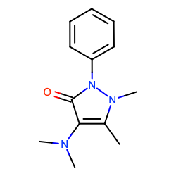 | Cc1c(c(=O)n(n1C)c2ccccc2)N(C)C | 17 | 4 | 231.29 | C13H17N3O | 30.17 | 4-(dimethylamino)-1,5-dimethyl-2-phenyl-pyrazol-3-one
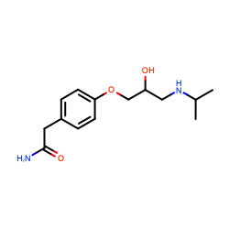 | CC(C)NCC(COc1ccc(cc1)CC(=O)N)O | 19 | 5 | 266.34 | C14H22N2O3 | 84.58 | 2-[4-[2-hydroxy-3-(isopropylamino)propoxy]phenyl]acetamide
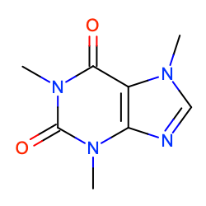 | Cn1cnc2c1c(=O)n(c(=O)n2C)C | 14 | 6 | 194.19 | C8H10N4O2 | 61.82 | 1,3,7-trimethylpurine-2,6-dione

